Instructions
Instructions for completing the Travel Claim Summary and Travel Claim Worksheet
YOUR SPECIFIC FUNDING SOURCE MAY HAVE STRICTER BACKUP REQUIREMENTS THAN THE STANDARD UNIVERSITY CORPORATION PROCEDURES. KNOW YOUR REQUIREMENTS. REACH OUT TO YOUR POST AWARD OR ACCOUNTING ANALYST FOR THE DETAILS OF ADDITIONAL NECESSARY DOCUMENTATION.
For conversion rates, refer to OANDA Currency Converter.
TRAVEL CLAIM SUMMARY INSTRUCTIONS
Section 1: Traveler, trip and document preparer information.
Section 2: This section will auto populate based on values entered on the Travel Claim Worksheet tab
Section 3: Business Justification/Remarks and Travel Advance accounting
Business Justification/Remarks Field Add any important remarks here. Examples include group travel information, policy exceptions, explanations for any item which is not clearly communicated by the attached backup documantation and currencey rate. For foreign conversion rates, refer to OANDA Currency Converter (link below).
LESS: Advance Received Field Insert the dollar amount of any Travel Advance issued in relation to this travel as a positive amount. The resulting "Total Due to the Traveler" is calculated by the worksheet.
Total Due to the Traveler Field This is the amount due to the traveler. If this amount is negative due to an underexpended travel advance, follow the instructions as outlined. ***If the Total Due to the Traveler is negative, the claimant is responsible for depositing cash, check or money order made payable to the University Corporation at Monterey Bay for the amount at the Cashiers office. Indicate account 107801 on the deposit slip and attach a stamped copy of the deposit slip to the TEC. Use the fund/project/dept ID from LINE 1 ONLY of the original RAT.***
Section 4: Assign Chartstrings to the travel expenditures that are listed and included in the (Out of Pocket) Charges Paid by Traveler Field. The dollar total in Section 4 should be equal to the amount listed in Section 3 as the "Charges Paid by Traveler". If they are not equal, the total in Section 4 will turn red. Adjust your expense distributions accordiongly to bring these numbers into balance.
Business Unit Column Choose the applicable business unit for your funding source from the drop down menu. MB075 = University Corporation, MB104 = Foundation of CSUMB, MB112 = Otter Student Union
Acct Column Choose or enter the appropriate expense account or accounts that correspond to the Travel Details presented. The most commonly used accounts are included in the drop down menu provided, or you can enter one if the account you need to hit is not listed.
Fund Column Enter the appropriate Auxiliary Organization Fund number(s) that are covering the expenses listed.
Dept ID Column Enter the correct Department ID number
Program and Class Columns If applicable, enter any Program Codes or Class Codes associated with the travel.
Project Column If applicable, enter an associated Project Number. Note that a Project number is required when using a fund which begins with the number 5, or if you are using and incentive fund.
Amount Column Add the dollar amount that should be assigned to the chartstring listed. The dollar total in Section 4 should be equal to the amount listed in Section 3 as the "Charges Paid by Traveler". If they are not equal, the total in Section 6 will turn red. Adjust your expense distributions accordiongly to bring these numbers into balance.
Section 5: List any Trip-Related Expenses Paid by the Auxiliary Organization of CSUMB, either by ProCard or Check generated via a payment request. These are not to be reimbursed to the traveler, but should be included on the TEC as they are expenditures related to this specific travel or trip.
Pay Type (PC or CK) Column Select the method of payment used from the drop down menu.
Vendor Column Enter the name of the supplier or payee who was paid
Expense Description Column Choose from the drop down menu or enter the description of the purpose of the expense.
Comments Column If a Procard was used include the date of the charge and the name of the cardholder if that is different than the travler name.
Amount Column Enter the amount associated with the specific listed item. Include backup documentation if the item exceeds $75 (or if specified by your funding source).
Section 6: Signatures of Certification
Signature of Officer Approving Payment The Officer Signature should be of a person who: Is authorized to approve expenditures from the funding source, is not the traveler (use one-up) and is not a near relative of the traveler. The Officer can not sign a Travel Claim for anyone they report to, either directly or indirectly, use one-up. If multiple funds are being used, you may need to obtain multiple signatures.
THE OFFICER APPROVING THE PAYMENT IS RESPONSIBLE FOR:
-Ensuring expenses are charged to funds authorized for the purpose and in compliance with the travel policy and related procedures.
-Ensuring expenses requested are ordinary, reasonable, not extravagant, necessary, and supported by a business purpose or justification, as appropriate.
-Validating, to the extent possible, that the approving authority reasonably believe expenses listed were incurred by the employee and appropriate supporting documentation is attached;
-Reviewing and approving the business purpose and ensuring the request is in compliance with any applicable sponsored project/grant requirements;
-Approving/denying payment of the Travel Expense Claim in a timely manner;
-Denying expenses not directly related to official Auxiliary Organization business.
Signature of Claimant This should be the signature of the traveler being reimbursed.
THE TRAVELER IS RESPONSIBLE FOR:
- Utilizing preferred vendors and negotiated terms and conditions whenever possible;
- Taking all steps to minimize risk to themselves and the Auxiliary Organization. This includes utilizing safe transportation and lodging options and appropriate insurance coverage;
...
TRAVEL CLAIM WORKSHEET INSTRUCTIONS
Do not claim personal items. For any purchase greater than $75, a detailed receipt showing proof of payment should be included. Any non-travel related item purchases should be submitted seperately on a Payment Request form.

CREATING A SUBMISSION PACKET
1. Save completed worksheet as a PDF, making sure that both the Travel Claim Worksheet and the Travel Claim Summary are included (screen shot below)
File Menu - Save as Adobe PDF: Use the ADD button to ensure that both the Summary and Worksheet will be included in the pdf output, make sure "Actual Size" is indicated, then convert to PDF.
2. Add all supporting documentation to create one (1) complete PDF document consisting of the Travel Claim Worksheet and all relevant, necessary backup documentation based on your funding source
3. Use Adobe sign to route the completed packet: 1 (signer) The Officer or officers approving payment, 2 (signer) The traveler/claimant, 3 (acceptor) ucorp_accounts_payable@csumb.edu

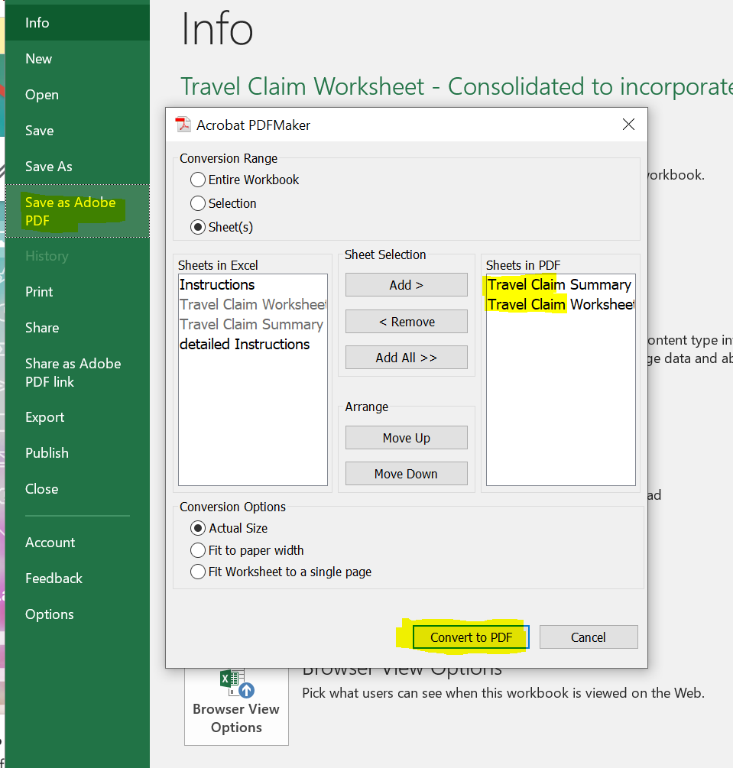

Travel Claim Worksheet
DO NOT ENTER ANY VALUES UNTIL THE TRAVEL START DATE AND TRAVEL END DATE HAVE BEEN POPULATED
IF TRAVEL DOES NOT INCLUDE OVERNIGHT STAY INDICATE "NO" ON THE DROPDOWN MENU FOR "INCLUDES OVERNIGHT STAY?" AND LIST START AND END LOCATIONS IN THE "NOTES" COLUMN AND ATTACH MAPS TO SUPPORT MILES CLAIMED.
Auxiliary Organizations at CSU Monterey Bay Travel Claim Worksheet
2025-01-07 |  |  |  |  |  |  |  |  | Initial to validate that all expenses on this form are true and correct and that you will not be seeking reimbursement from another source.
STEP 1
Name: | 0 |  | Campus ID:
Travel Purpose: | 0 |  | Travel Start Date: |  |  |  |  |  | YOU MUST START WITH STEP 1 FOR THIS SHEET
Includes Overnight Stay? |  |  | Travel End Date:
Instructions: Enter the values into the beige colored fields. The Travel Date fields will define per diem values. When available, select from the drop-down options. Enter all values in US Dollars. For more details, refer to the Instructions tab.
Location (Only Enter Lodging Destinations) | Domestic Rates (GSA) | Alaska/Hawaii (DoD) or International Rates (State Dept)

 |  |  |  |  |  |  |  |  |  |  |  |  |  | Amount Due to Traveler |  | $0.00

 |  |  |  |  |  |  |  |  | TOTALS:
Travel Details |  |  |  | This sheet will not calculate correctly if a travel date has not been listed |  | Provided Meals/ Meals outside of Trip |  |  | $0.00 | $0.00 | $0.00 | $0.00 | $0.00 | $0.00 | $0.00 | $0.00
Location | Rate Type | Notes (optional) | M&IE Rates/Day based on Rate Type | Travel Date required | Personal Day? Yes = 1 | # Provided Breakfasts | # Provided Lunches | # Provided Dinners | M&IE Total | Airfare* | Lodging* | Miles* | Ground Transport* | Car Rental* | Business Expense* | Total
 |  |  | $0.00 |  | 0 | 0 | 0 | 0 | $0.00 |  |  |  |  |  |  | $0.00
 |  |  | $0.00 |  | 0 | 0 | 0 | 0 | $0.00 |  |  |  |  |  |  | $0.00
...

